Лист1
 |  | P SERIES FILTER REPLACEMENT PARTS

Parts of P SERIES Models: P350/ P400/ P450/ P500/ P650/ P700
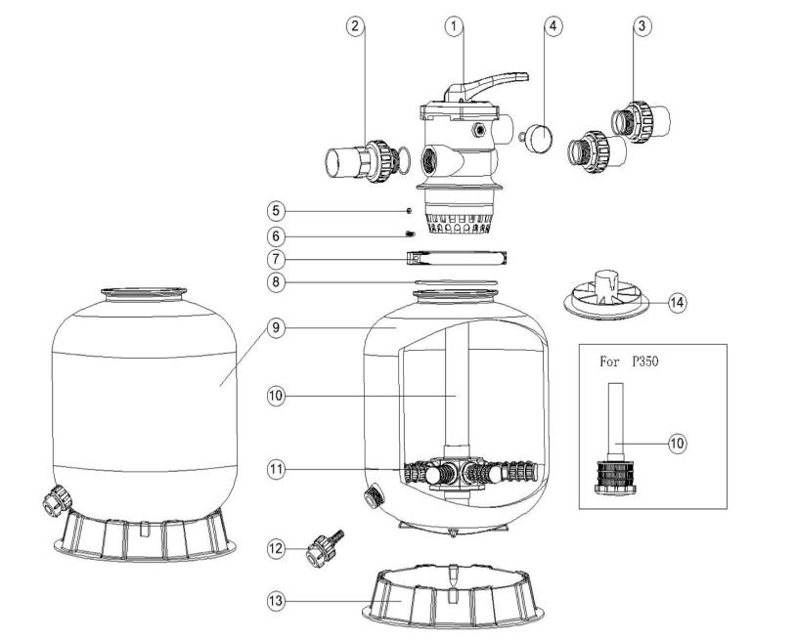

Key No. | Part No. | Description | Piece(s) Required
1 | 88280150B | 6 Way 1.5" Valve with 1.5" union set x 3 and pressure gauge (Black) | 1
2 | 89280101B | 1.5" Union with Sight Glass, O-Ring (Black) | 1
3 | 89280102B | 1.5" Union Set (2 Pieces) with O-Ring (Black) | 2
4 | 06021013 | Plastic Pressure Gauge with O-Ring | 1
4 | 01111048 | Connector for Pressure Gauge/Stopper | 1
5 | 03021035 | M6 Nut | 2
6 | 03011095 | Screw | 2
7 | 89010101 | Clamp Lock | 1
8 | 02011134 | O-Ring for Filter Neck | 1
9 | 89014021 | Filter Tank for P350 | 1
9 | 89014022 | Filter Tank for P400 | 1
9 | 89014023 | Filter Tank for P450 | 1
9 | 89014024 | Filter Tank for P500 | 1
9 | 89014025 | Filter Tank for P650 | 1
9 | 89014026 | Filter Tank for P700 | 1
10 | 89011602 | Lateral Assembly with Center Pipe for P350 | 1
10 | 89011603 | Lateral Assembly with Center Pipe for P400 | 1
10 | 89011604 | Lateral Assembly with Center Pipe for P450 | 1
10 | 89011605 | Lateral Assembly with Center Pipe for P500 | 1
10 | 89011606 | Lateral Assembly with Center Pipe for P650 | 1
10 | 89011607 | Lateral Assembly with Center Pipe for P700 | 1
11* | 01172007 | Laterals (115mm) for P350/ P400/ P450 | 8
11* | 01172008 | Laterals (126mm) for P500/ P650/ P700 | 8
12 | 89011601 | Water Drain Set | 1
13 | 01111052 | 14" Filter Base for P350 | 1
13 | 01111059 | 16-21" Filter Base P400/ P450 | 1
13 | 01111062 | 21-28" Filter Base P500/ P650/ P700 | 1
14 | 01015006 | Sand Diverter (Black) for 1.5" | 1
Notes: | 11* 01172007 is laterals (115mm) for P350/ P400/ P450
 | 11* 011720078 is laterals (126mm) for P500/ P650/ P700

