Лист1
 |  | FSP300-4W FILTRATION COMBO REPLACEMENT PARTS

Parts of FSP Models: FSP300-4W with ST020/ FSP300-4W with ST013/ FSP300-4W with ST033
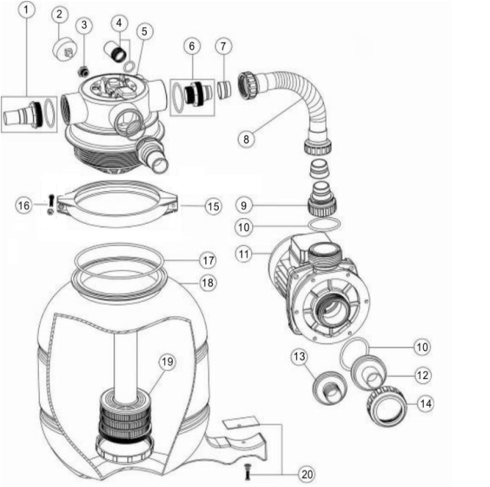

\

Key No. | Part No. | Description | Piece(s) Required
1 | 89030201 | 32mm & 38mm Adaptor With O-ring | 2
2 | 06021013 | Maximum 40PSI Indication, Plastic Casing | 1
3 | 01111048 | Connector for Pressure Gauge/Stopper | 1
4 | 89280104 | Sight Glass with O-Ring | 1
5 | 88281205B | 4 Way 1.5" Top Mount Valve (Valve Only) (Black) | 1
6 | 89030204 | Hose Adaptor with O-Ring | 1
7 | 02011026 | Sleeve for Hose | 2
8 | 89030202 | FSP300-4W Plastic Hose with Nut | 1
9 | 01013049 | Hose adaptor with Nut | 1
10 | 02011104 | O-Ring for 1.5" Union | 2
11 | 88023017 | ST013 Pump | 1
11 | 88023001 | Pump 0.20hp, 220V/50Hz, Single Phase | 1
11 | 88023002 | Pump 0.33hp, 220V/50Hz, Single Phase | 1
12 | 01013053 | φ32mm Union | 1
13 | 01013045 | φ38mm Union | 1
14 | 01013017 | 1.5"Union Nut (black) | 3
15 | 01271010 | Clamp Lock | 2
16 | 89010119 | M6*50 Screws With Nut | 2
17 | 02011134 | O-Ring for Filter Neck | 1
18 | 01331001 | FSP300 Filter tank | 1
19 | 89030205 | FSP300 Lateral Assembly with Center Pipe | 1
20 | 89030203 | Pump Assembly Screw | 1

