Лист1
 |  | MAX FLOW SERIES FILTERS REPLACEMENT PARTS

Parts of MAX FLOW SERIES Models: MFS17/ MFS20/ MFS24/ MFS27A/ MFS31A

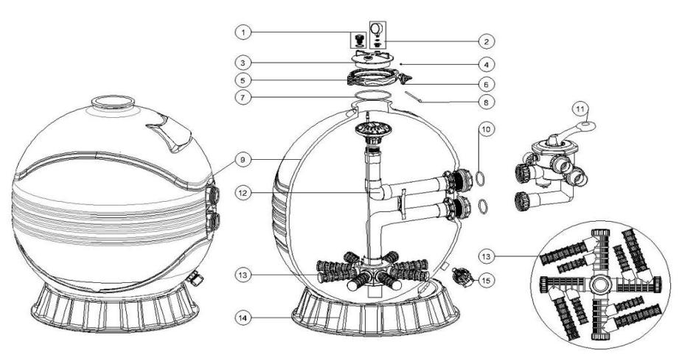

Key No. | Part No. | Description | Piece(s) Required
1 | 89010701 | Air Release Valve with Oring | 1
2 | 06021013 | Plastic Pressure Gauge with O-ring | 1
3 | 01201022 | Lid (Transparent) | 1
4 | 03021035 | M6 Nut | 1
5 | 89012512 | Clamp Kit | 1
6 | 01111101 | Star-Shaped Nut | 1
7 | 02010007 | O-Ring | 1
8 | 03011166 | M6×110mm Screws | 1
9 | 89012606 | Filter Tank for MFS17 | 1
9 | 89012607 | Filter Tank for MFS20 | 1
9 | 89012608 | Filter Tank for MFS24 | 1
9 | 89012609 | Filter Tank for MFS27A | 1
9 | 89012620 | Filter Tank for MFS27 | 1
9 | 89012610 | Filter Tank for MFS31A | 1
9 | 89012621 | Filter Tank for MFS31 | 1
9 | 89012622 | Filter Tank for MFS35 | 1
10 | 02011003 | O-Ring for 1.5" adaptor | 2
10 | 02020016 | O-Ring for Connector | 2
11 | 88280811B | 6 Way 1.5" Valve with Piping Kit, 1.5" union set x 3 and pressure gauge (Black) | 1
11 | 88280812B | 6 Way 2" Valve with Piping Kit, 2" union set x 3 and pressure gauge (Black) | 1
12 | 89012601 | The Inner Tank System for MFS17 | 1
12 | 89012602 | The Inner Tank System for MFS20 | 1
12 | 89012603 | The Inner Tank System for MFS24 | 1
12 | 89012604 | The Inner Tank System for MFS27A | 1
12 | 89012605 | The Inner Tank System for MFS31A | 1
12 | 89012617 | The Inner Tank System for MFS27 | 1
12 | 89012618 | The Inner Tank System for MFS31 | 1
12 | 89012619 | The Inner Tank System for MFS35 | 1
13* | 01172007 | Laterals(115mm) | *
13* | 01172008 | Laterals (126mm) | *
13* | 01172010 | Laterals (185mm) | *
14 | 01111059 | 16-21inch Filter Base | 1
14 | 01111062 | 21-28inch Filter Base | 1
14 | 01112037 | 31-35inch Filter Base | 1
15 | 89011601 | Water Drain Set | 1
Notes: | 13* MFS17/ MFS20 should have 8pcs of lateral (115mm)
 | 13* MFS24/ MFS27A/ MFS31A should have 8pcs of lateral (126mm)
 | 13* MFS27/ MFS31/ MFS35 should have 4 pcs of lateral (115mm) and 4pcs of lateral (185mm)

