Лист1
 |  | S SERIES FILTERS REPLACEMENT PARTS

Parts of S SERIES Models: S450/ S500/ S650/ S700
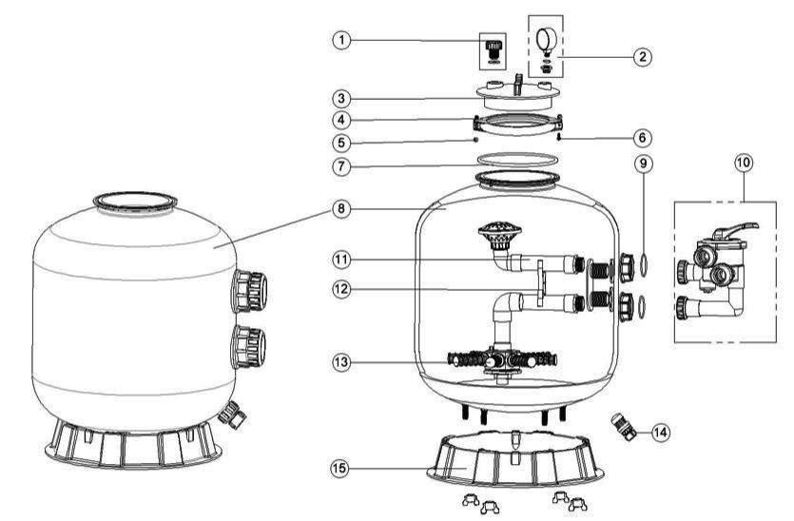

Key No. | Part No. | Description | Piece(s) Required
1 | 89010701 | Air Release Valve with Oring | 1
2 | 06011032 | Maximum 40PSI Indication, Stainless Steel Casing | 1
3 | 01201022 | Lid (Transparent) | 1
4 | 01271010 | Clamp Lock | 2
5 | 03021035 | M6 Nut | 1
6 | 03011095 | Screw | 1
7 | 02011134 | O-Ring for Filter Neck | 1
8 | 89010706 | Filter Tank for S450 | 1
8 | 89010705 | Filter Tank for S500 | 1
8 | 89010704 | Filter Tank for S650 | 1
8 | 89010703 | Filter Tank for S700 | 1
9 | 02011003 | O-Ring for 1.5" adaptor | 2
10 | 88280811W | 6 Way 1.5" Valve with Piping Kit, 1.5" union set x 3 and pressure gauge (White) | 1
11 | 89010708 | The Inner Tank System for S450 | 1
11 | 89010709 | The Inner Tank System for S500 | 1
11 | 89010710 | The Inner Tank System for S650 | 1
11 | 89010711 | The Inner Tank System for S700 | 1
12 | 01111046 | 1.5"Tank System Support | 1
13 | 01172007 | Laterals(115mm) | 8
13 | 01172008 | Laterals (126mm) | 8
14 | 89010107 | Water Drain Set | 1
15 | 01111059 | 16-21inch Filter Base | 1
15 | 01111062 | 21-28inch Filter Base | 1

