Лист1
 |  | SP SERIES FILTER REPLACEMENT PARTS

Parts of SP Models: SP450/ SP500/ SP650/ SP700
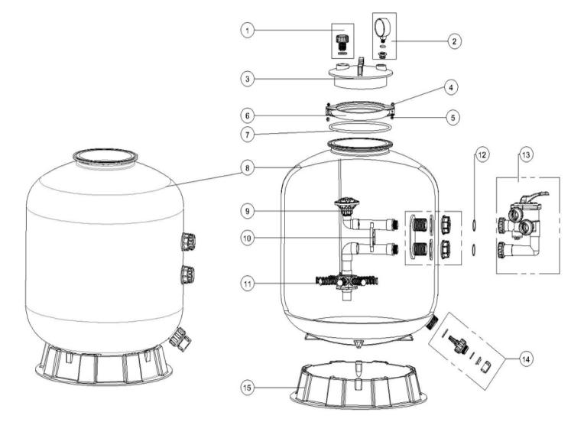

Key No. | Part No. | Description | Piece(s) Required
1 | 89010701 | Air Release Valve with O-ring | 1
2 | 06021009 | Plastic Pressure Gauge With O-Ring | 1
2 | 01111048 | Connector for Pressure Gauge/Stopper | 1
3 | 01201022 | Lid (Transparent) | 1
4 | 03021035 | M6 Nut | 2
5 | 03011095 | Screw | 2
6 | 01271010 | Clamp Lock | 2
7 | 02011134 | O-Ring for Filter Neck | 1
8 | 89010712 | SP450 Filter tank | 1
8 | 89010713 | SP500 Filter tank | 1
8 | 89010714 | SP650 Filter tank | 1
8 | 89010715 | SP700 Filter tank | 1
9 | 89010708 | S/SP450 the inner tank system | 1
9 | 89010709 | S/SP500 the inner tank system | 1
9 | 89010710 | S/SP650 the inner tank system | 1
9 | 89010711 | S/SP700 the inner tank system | 1
10 | 01111046 | 1.5"Tank System Support | 1
11 | 01172007 | Laterals (115mm) | 8
11 | 01172008 | Laterals (126mm) | 8
12 | 02011003 | O-Ring for inlet & outlet | 2
13 | 88280811B | 6 Way 1.5" Valve with Piping Kit, 1.5" union set x 3 and pressure gauge (Black) | 1
14 | 89011601 | Water Drain Set | 1
15 | 01111059 | 16-21inch Filter Base | 1
15 | 01111062 | 21-28inch Filter Base | 1

